Run Chart
Run Chart - Performance Improvement Tracker: |  |  |  |  | Enter Your Name BELOW LEFT- Hit Save to YOUR Computer (Note: You may want to print chart off and enter data later)

Enter Data in Blue Columns Only - Rest Pre-populates
Week: Pre-populated with week No entry required (green column)
Metric: Enter what you are tracking (i.e. Care Management Score, number of patients, etc)
*** Don't leave any blanks - enter "0" if you didn't have any discussions that week.
Median: Pre-populated to automatically calculate. No entry required.[Yellow Column]
Goal: You can set weekly goals (optional)
Use regular Excel commands to configure the graph as needed.
# (fill in Metric)
 | Values | Median | Goal
1 |  | 0
2 |  | 0
3 |  | 0
4 |  | 0
5 |  | 0
6 |  | 0
7 |  | 0
8 |  | 0
9 |  | 0
10 |  | 0
11 |  | 0
12 |  | 0
13 |  | 0
14 |  | 0
15 |  | 0
16 |  | 0
17 |  | 0
18 |  | 0
19 |  | 0
20 |  | 0
21 |  | 0
22 |  | 0
23 |  | 0
24 |  | 0
 |  | 0
 | Week | Metric | Median | Goal
 | 1 |  | #NUM!
 | 2 |  | #NUM!
 | 3 |  | #NUM!
 | 4 |  | #NUM!
 | 5 |  | #NUM!
 | 6 |  | #NUM!
 | 7 |  | #NUM!
 | 8 |  | #NUM!
 | 9 |  | #NUM!
 | 10 |  | #NUM!
 | 11 |  | #NUM!
 | 12 |  | #NUM!
 | 13 |  | #NUM!
 | 14 |  | #NUM!
 | 15 |  | #NUM!
 | 16 |  | #NUM!
 | 17 |  | #NUM!
 | 18 |  | #NUM!
 | 19 |  | #NUM!
 | 20 |  | #NUM!
 | 21 |  | #NUM!
 | 22 |  | #NUM!
 | 23 |  | #NUM!
 | 24 |  | #NUM!
 |  |  | #NUM!
 |  |  | #NUM!
 |  |  | #NUM!
 |  |  | #NUM!
 |  |  | #NUM!
 |  |  | #NUM!
 |  |  | #NUM!
 |  |  | #NUM!
Developed by Richard Scoville, PhD. (richard@rscoville.net) | Enter Your Name Here: ____________________________________
Available for use via IHI

 |  |  | #NUM!

Rules for Interpreting Charts
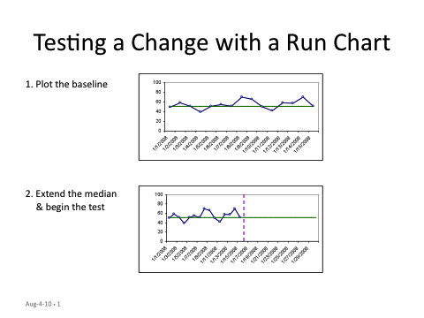
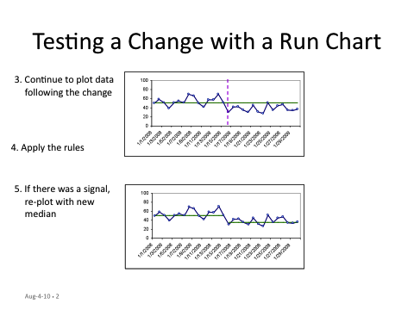
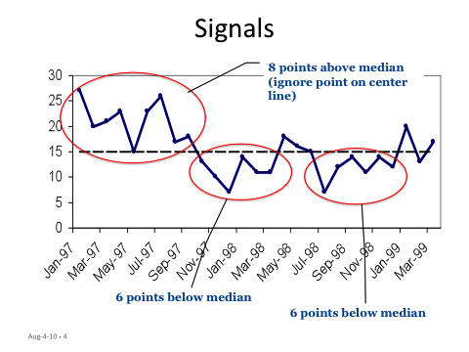
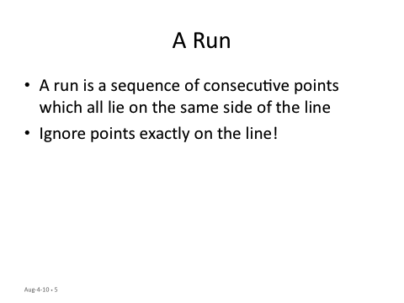
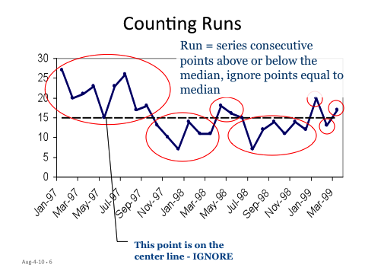
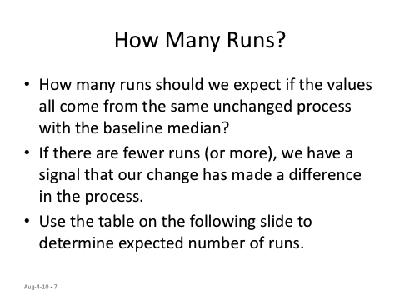
Procedure for Interpreting Run Charts

